About
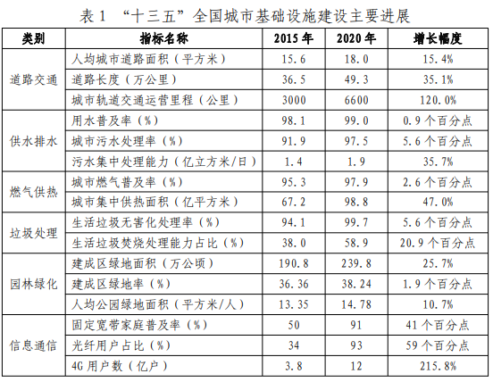
HDL Heat Distribution Losses

Sources: | China NDRC and MOHURD
 | 2022
 | 14th FYP on National Municial Infrasturcture
 | 住房和城乡建设部 国家发展改革委
 | Page 5, table 2
Notes
The China's national Fourteenth FYP on municipal infrastructure shows the lossses in centralized heating system is 20% in 2020\
and is targeted to be 2.5% lower by 2025. Since there is no policy lever that alters this value. We assume the losses to go down
from 2020 to 2025 and no additional changes in the future

summary
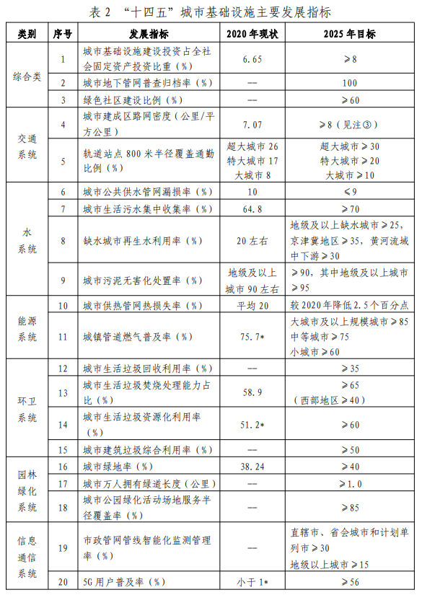

***Distribution losses is 20% in 2020 and aiming to be 2.5% lower in 2025

